SUPER
Sex | Income
M | 40.6
M | 54.6 | t-Test: Two-Sample Assuming Equal Variances
M | 38.6
M | 58.2 |  | Male | Female
M | 34.6 | Mean | 53.122033898 | 44.422033898
M | 42.9 | Variance | 234.49002338 | 191.28140269
M | 67.5 | Observations | 59 | 59
M | 79.8 | Pooled Variance | 212.88571303
M | 54.4 | Hypothesized Mean Difference | 0
M | 47.3 | df | 116
M | 66.4 | t Stat | 3.2385976944
M | 69.0 | P(T<=t) one-tail | 0.00078345011886
M | 62.0 | t Critical one-tail | 1.6580957443
M | 52.5 | P(T<=t) two-tail | 0.0015669002377
M | 72.6 | t Critical two-tail | 1.9806260025
M | 52.4
M | 59.5 | Difference in means | 8.7
M | 59.1
M | 36.7
M | 54.6
M | 52.1 | The obtained independent samples t = 3,2385 with 59 degrees of freedom. Τhe P value of two-tail obtained is 0,0015 (Lower than a = 0,05) and the two-tail critical value is bigger than (1,96), therefore we reject the null hypothesis. The average salary is not the same for males and females
M | 49.9
M | 52.0
M | 47.1
M | 40.8
M | 36.5
M | 57.1
M | 54.1
M | 32.4
M | 34.9
M | 64.1
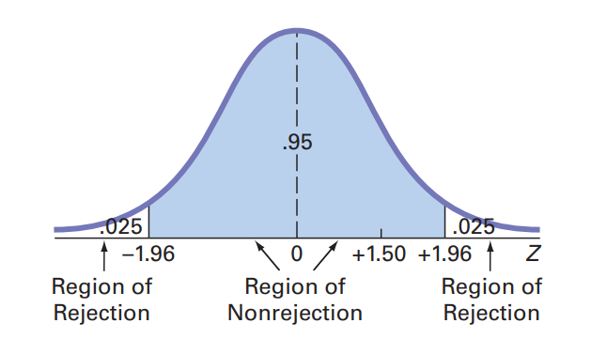
M | 54.0
M | 51.5
M | 50.8
M | 45.1
M | 81.5
M | 70.4
M | 39.2
M | 45.2
M | 80.9
M | 48.6
M | 31.0
M | 32.1
M | 33.9
M | 31.3
M | 51.0
M | 53.4
M | 58.3
M | 31.4
M | 56.3
M | 41.0
M | 47.9
M | 51.4
M | 33.1
M | 74.9
M | 77.2
M | 57.9
M | 80.1
M | 40.2
M | 100.9
F | 33.1
F | 35.8
F | 68.8
F | 31.6
F | 38.2
F | 42.0
F | 33.4
F | 50.3
F | 39.6
F | 30.7
F | 31.3
F | 61.3
F | 30.0
F | 38.1
F | 56.4
F | 35.7
F | 31.3
F | 40.4
F | 32.1
F | 66.4
F | 36.9
F | 35.9
F | 49.6
F | 62.8
F | 44.6
F | 32.5
F | 33.4
F | 55.3
F | 62.7
F | 54.4
F | 30.8
F | 49.1
F | 41.9
F | 32.5
F | 35.2
F | 47.4
F | 60.7
F | 33.0
F | 43.3
F | 34.8
F | 36.0
F | 51.6
F | 31.9
F | 34.1
F | 78.4
F | 30.4
F | 45.3
F | 52.6
F | 30.3
F | 36.6
F | 53.1
F | 36.5
F | 37.8
F | 34.0
F | 69.3
F | 77.2
F | 32.6
F | 82.9
F | 42.3
F | 57.8

